Bill Of Lading
#config
Name=BAL Container Bill of Lading
HideColumnIf |  |  |  |  |  |  | 1==1 | 1==1 | 1==1 | 1==1 | 1==1 | 1==1 | 1==1 | 1==1 | 1==1 | 1==1 | 1==1 | 1==1 | 1==1 | 1==1 | 1==1 | 1==1 | 1==1 | 1==1 | 1==1 | 1==1 | 1==1
PageStyle=Continuous
DataContext=Shipment
EmailSubject=Bill Of Lading BAL Container <BillOfLading.OceanBillNumber>
#DocumentHeader
#SectionBody:Data=BillOfLading.FormedPages
 |  |  |  |  |  | Page 1 of 2
 | <If("<ReportNameUntranslated>"=="COPY","COPY - NON-NEGOTIABLE","<ReportNameUntranslated>")>
 | Shipper (full style and address)
 | <ShrinkToFitForBillOfLading(5)><DocDataValue("Consignor", "<ConsignorAddress>")>

 | Consignee (full style and address) |  | Bill of Lading No.
 | <ShrinkToFitForBillOfLading(5)><DocDataValue("Consignee", "<ConsigneeAddress>")> |  | <ShrinkToFitForBillOfLading(5)><BillOfLading.OceanBillNumber>
 |  |  | Vessel and Voyage No.
 |  |  | <ShrinkToFitForBillOfLading(5)><Upper("<BillOfLading.VesselName> / <BillOfLading.VoyageNumber>")>
 | Notify Party (full style and address) |  | Port of Loading
 | <ShrinkToFitForBillOfLading(5)><DocDataValue("Notify Party", "<BillOfLading.NotifyParty>")> |  | <ShrinkToFitForBillOfLading(5)><DocDataValue("Load Port", "<BillOfLading.LoadPort.PortName>")>
 |  |  | Port of Discharge
 |  |  | <ShrinkToFitForBillOfLading(5)><DocDataValue("Discharge Port", "<BillOfLading.DischargePort.PortName>")>
 | PARTICULARS AS DECLARED BY SHIPPER BUT NOT ACKNOWLEDGED BY THE CARRIER
 | Marks & Numbers/Container No./Seal No. | Number and kind of packages; description of cargo said to contain |  | Gross weight, MT said to weigh |  | Measurement, m3 said to measure
 | <BillOfLading.FormedPages.MainBodyDetailsSection>
 | <OnBoard> | <Format("{OnBoardDate:Date}")>
 | Cargo carried on deck at Merchants’/Cargo interests risk and expense without Vessel’s/Carrier’s/Owner’s liability whatsoever for loss and/or damage howsoever caused (see Clause 14)
 | Received by the Carrier in apparent good order and condition (unless otherwise noted herein) the total number or quantity of Containers or other packages or units indicated above, weight, measure, marks, numbers, quality, contents and value unknown, for Carriage subject to all the terms and conditions hereof (including the terms on the reverse hereof) from the Place of Receipt or Port of Loading, to the Port of Discharge or Place of Delivery, whichever is applicable. One original bill of lading must be surrendered, duly endorsed, in exchange for the Goods or delivery order, whereupon all other Bills of Lading to be void. In accepting this bill of lading the Merchant (as defined in Clause 1 herein) expressly accepts and agrees to all the terms conditions whether printed, stamped or written, or otherwise incorporated on this side and the reverse side of this Bill of Lading, as if they were all signed by the Merchant. IN WITNESS whereof the Carrier, Master or their agent has signed the number of original Bills of Lading stated below, all of this tenor and date. |  | Freight details
 |  |  | <INCOEnglishDescription> / <DocDataValue("Freight Payable At Port", "<BillOfLading.FreightPayableAtPort.PortName>")>

 |  |  | Daily Detention and / or Demurrage Rate
 |  |  | <ShrinkToFitForBillOfLading(5)><Demurrage Rate>

 |  |  | Special terms and clauses as per Booking Note Reference/Number/Date
 |  |  | <ShrinkToFitForBillOfLading(5)><Special Terms>

 | Loading / Discharge Terms - see Clause 17(1), 17(8) and 17(12) |  | Place and Date of Issue
 | <ShrinkToFitForBillOfLading(5)><Loading Discharge Terms> |  | <ShrinkToFitForBillOfLading(5)><DocDataValue("Place Of Issue", "<BillOfLading.LoadPort.PortName>")> |  |  | <DocDataValue("Date Of Issue", "<HouseBillIssueDate.Date>")>

 |  |  | Number of original Bills of Lading
 | Carrier’s name / principal place of business |  | <Upper("<NoOfOriginalBills> (<NumberToWords(NoOfOriginalBills)>)")>
 | <ShrinkToFitForBillOfLading(5)><Principal.Name> / <Principal.MainAddress.City>
 |  |  | Pre/On-Carriage by*
 |  |  | <ShrinkToFitForBillOfLading(5)><Pre-Carriage By>
 | Signature of the Carrier or, for the Carrier name and signature of Master / Agent
 | <ShrinkToFitForBillOfLading(5)><Signature of Carrier> |  | Place of Receipt* |  | Place of Delivery*
 |  |  | <ShrinkToFitForBillOfLading(5)><DocDataValue("Place Of Receipt")> |  | <ShrinkToFitForBillOfLading(5)><DocDataValue("Place Of Delivery")>

 | *Applicable only when pre/on carriage is arranged in accordance with Clauses 5(3) and 5(4)

 | <IF("<BillOfLading.FormedPages.PageNo>" == "<BillOfLading.FormedPages.Count>", "", "Page <BillOfLading.FormedPages.PageNo> *** Continues Next Page ***")> |  |  |  |  | ©2024 AAL – Version 6
 | <HPageBreak>
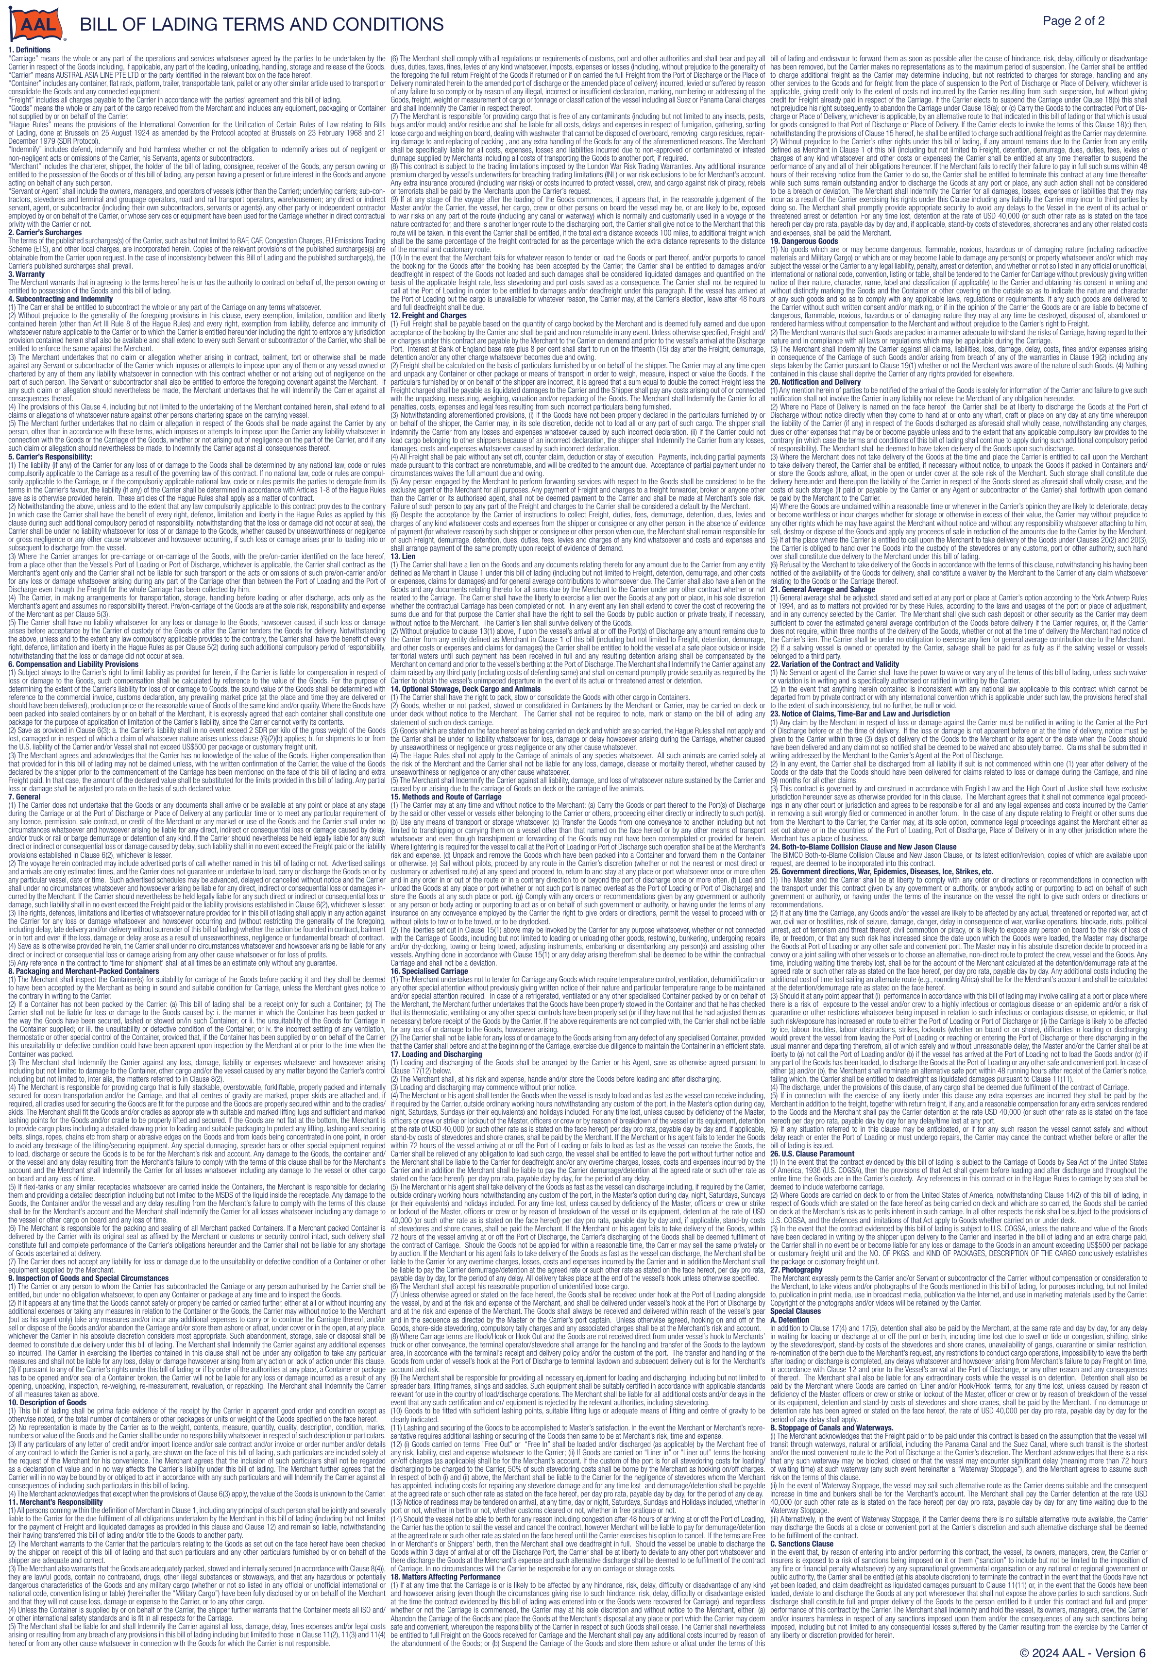

 | <HPageBreak>
#EndOfReport

